Sheet1
5 Bars Mechanism Inverse Kinematics
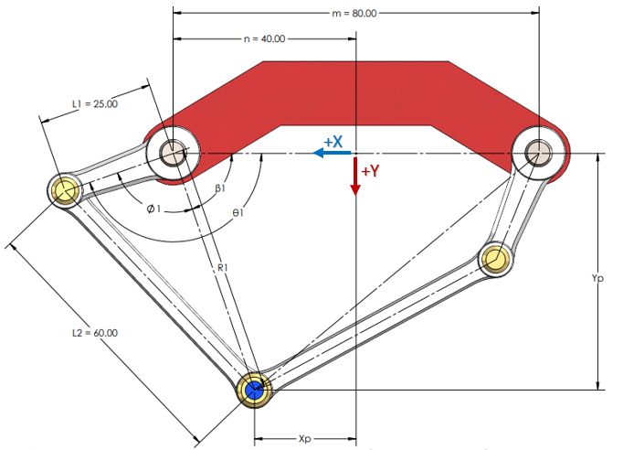

 |  |  |  |  |  |  |  |  |  |  |  | 27.492

Inputs |  | Constants |  |  |  | Variables |  |  |  |  |  | Outputs
Xp | Yp | m | n | L1 | L2 | R1 | R2 | Ø1 | Ø2 | β1 | β2 | θ1 | θ2
-4.5 | 9.5 | 8 | 4 | 12 | 16 | 12.747548784 | 9.5131487952 | 80.50 | 95.403429832 | 48.17983012 | 93.012787504 | 128.68 | 188.41621734

